AXISONF
AXISONF | Axis Overnight Fund

 | Monthly Portfolio Statement as on February 28, 2026
 | Name of the Instrument | ISIN | Industry / Rating | Quantity | Market/Fair Value (Rs. in Lakhs) | % to Net Assets | YTM~ | YTC^
 | Money Market Instruments
 | Treasury Bill
TBIL2559 | 182 Days Tbill (MD 12/03/2026) | IN002025Y248 | Sovereign | 20,000,000 | 19,971.04 | 1.89% | 4.81%
TBIL2481 | 364 Days Tbill (MD 05/03/2026) | IN002024Z479 | Sovereign | 7,500,000 | 7,495.89 | 0.71% | 5.00%
TBIL2603 | 91 Days Tbill (MD 19/03/2026) | IN002025X380 | Sovereign | 7,500,000 | 7,483.03 | 0.71% | 4.60%
TBIL2487 | 364 Days Tbill (MD 19/03/2026) | IN002024Z495 | Sovereign | 7,000,000 | 6,984.16 | 0.66% | 4.60%
 | Sub Total |  |  |  | 41,934.12 | 3.97%
 | Total |  |  |  | 41,934.12 | 3.97%
 | Reverse Repo / TREPS
REP16_270226 | Clearing Corporation of India Ltd |  |  |  | 403,026.47 | 38.14% | 5.10%
REP15_270226 | Clearing Corporation of India Ltd |  |  |  | 254,198.05 | 24.06% | 5.05%
REP17_270226 | Clearing Corporation of India Ltd |  |  |  | 244,297.76 | 23.12% | 5.00%
REP18_270226 | Clearing Corporation of India Ltd |  |  |  | 49,999.22 | 4.73% | 5.04%
REP19_270226 | Clearing Corporation of India Ltd |  |  |  | 49,999.22 | 4.73% | 5.03%
TRP_020326 | Clearing Corporation of India Ltd |  |  |  | 9,649.14 | 0.91% | 4.94%
 | Sub Total |  |  |  | 1,011,169.87 | 95.70%
 | Total |  |  |  | 1,011,169.87 | 95.70%
 | Net Receivables / (Payables) |  |  |  | 3,463.80 | 0.33%
 | GRAND TOTAL |  |  |  | 1,056,567.78 | 100.00%

 | ~ YTM as on February 28, 2026
 | ^ YTC represents Yield to Call provided by valuation agencies as on February 28, 2026. It is disclosed for Perpetual Bond issued by Banks (i.e. AT-1 Bond / Tier 1 Bond / Tier 2 Bond), as per AMFI Best Practices Guidelines Circular no. 135/BP/91/2020-21 read with SEBI circular No. SEBI/HO/IMD/DF4/CIR/P/2021/034 on Valuation of AT-1 Bonds and Tier 2 Bonds.
 | As per SEBI Circular no. SEBI/HO/IMD/PoD1/CIR/P/2024/106 dated August 05, 2024, valuation of AT-1 Bonds are done on Yield to Call basis w.e.f. August 07, 2024. YTC of AT-1 Bonds are now same as it’s YTM and hence it is not disclosed separately under YTC.

 | Aggregate Investments by other schemes (At NAV) as on February 28, 2026 RS 528.87 Lakh's

 |  | Benchmark Name - NIFTY 1D RATE INDEX
 | Scheme Risk-O-Meter | Benchmark Risk-O-Meter
 | 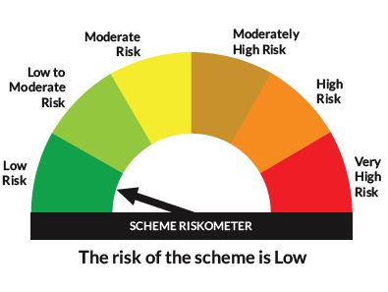 | 

